Sheet1
1. Download 2 files from the following links and save them on your Desktop:

https://www.dropbox.com/s/nle93zm9x74u7mf/putty.zip?dl=0
https://www.dropbox.com/s/6ujdw35jafeyd3e/PuttyRegKey.zip?dl=0

Extract out the contents of both zipped files and save them on your computer's Desktop. You will see 2 files:- putty.exe and PuttyRegKey.reg. (Depending on your local computer configuration, the file extensions might not be shown).

2. Double-click the "PuttyRegKey.reg" file to load it into your local computer's system registry.

3. Double-click the "Putty.exe" icon to launch the Putty SSH session. You will see the following screen:

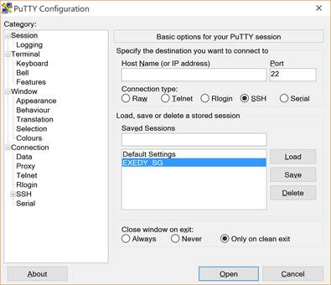

Double-click on the EXEDY_SG option as per shown in the above screen to launch the SSH remote session.

You will see a one-time Putty security alert that looks like the following, if you are logging on for the first time on your computer. Click on "Yes" to proceed.

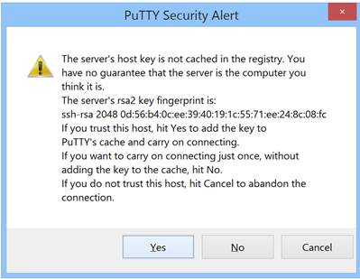

4. You will then see an SSH session Window.

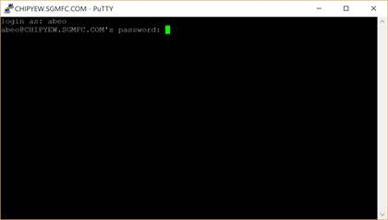

Enter the required logon credentials for the SSH session as per below:

login as: abeo
password: Abeo1989!

Important Note: Username and password are both case-sensitive.

You will see a $ prompt after successful login session. After the successful login, minimize the putty windows. Do not close it because doing so will exit from the SSH session and close the connection altogether.

5. Launch your Windows Remote Desktop application or "RDP", (i.e. mstsc).

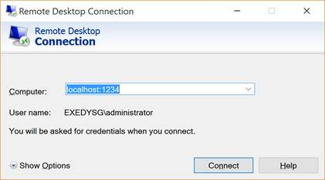

6. Enter the following connections details for your RDP in the "Computer:" field.

localhost:1234 (NOTE: no space in between the words).
Pwd : Exedy1989!
Then, click on "Connect".

7. You will be prompted with the RDP logon credentials. This is where you will need to enter the required logon account to access the Windows Server.

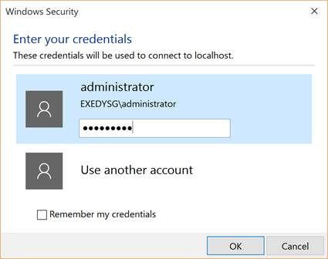

Enter the required username and password for the RDP session as per above screenshot.

Once the RDP session is successfully established, you will see the Windows Server desktop screen.

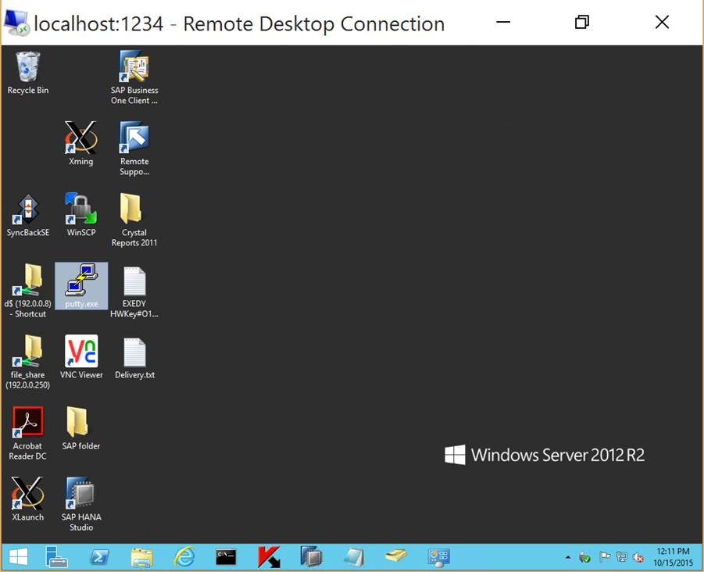

8. To log off and disconnect from the Windows Server, just log off as per normal. You need to close the Putty SSH session after that.
To close the Putty SSH session, maximize the Putty application windows. Then, type exit and press the Enter key.

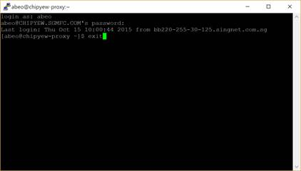

That's it!

